bug_report
REQ ID | TS ID | TC ID | ID | Bug Title | Steps to reproduce | Test Data | Expected Result | Actual Result | Environment | Attachement | Status | Priority | Severity | Assigned TO

REQ_01 | TS_02 (NEW CUSTOMER_Name) | EC_02 | BUG_customerName_001 | "Please Fill all fields" Error message is displayed when manager leaves name field empty ,enters other data click on submit button | 1.Click on "New Customer" tab 2.enter invalid customer name 3.select Gender type 4.select Date of Birth 5.enter valid Adreess 6.enter valid city 7.enter valid State 8.enter valid PIN | 1.Gender : male 2.Date of Birth : 03/05/2000 3.Address: 16younis 4.city: tanta 5.state :single 6.pin:258147 7.telephone number:01032283849 | New customer is not added , and error message " Customer namemust not be blank" is displayed | "Please Fill all fields" Error message is displayed | 1. Edge Browser version 127 2. OS : Windows | 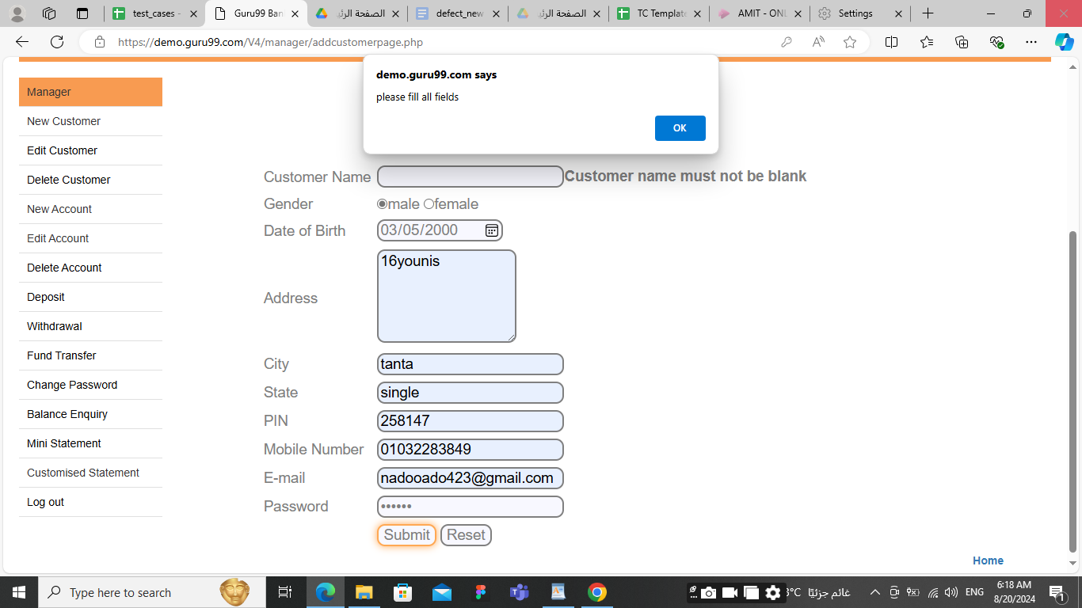 | New | high | high | Developer
REQ_02 | TS_02 (NEW CUSTOMER_Name) | EC_03 | BUG_customerName_002 | "Please Fill all fields" Error message is displayed when manager enters data click on submit button | 1.Click on "New Customer" tab 2.enter invalid customer name 3.select Gender type 4.select Date of Birth 5.enter valid Adreess 6.enter valid city 7.enter valid State 8.enter valid PIN | 1.Customer Name : nadein 2.Gender : male 3.Date of Birth : 03/05/2000 4.Address: 16younis 5.city: tanta 6.state :single 7.pin:123456 8.telephone number:01032283849 | New customer is not added , and error message " First character cannot have space" is displayed | "Please Fill all fields" Error message is displayed | 1. Edge Browser version 127 2. OS : Windows | 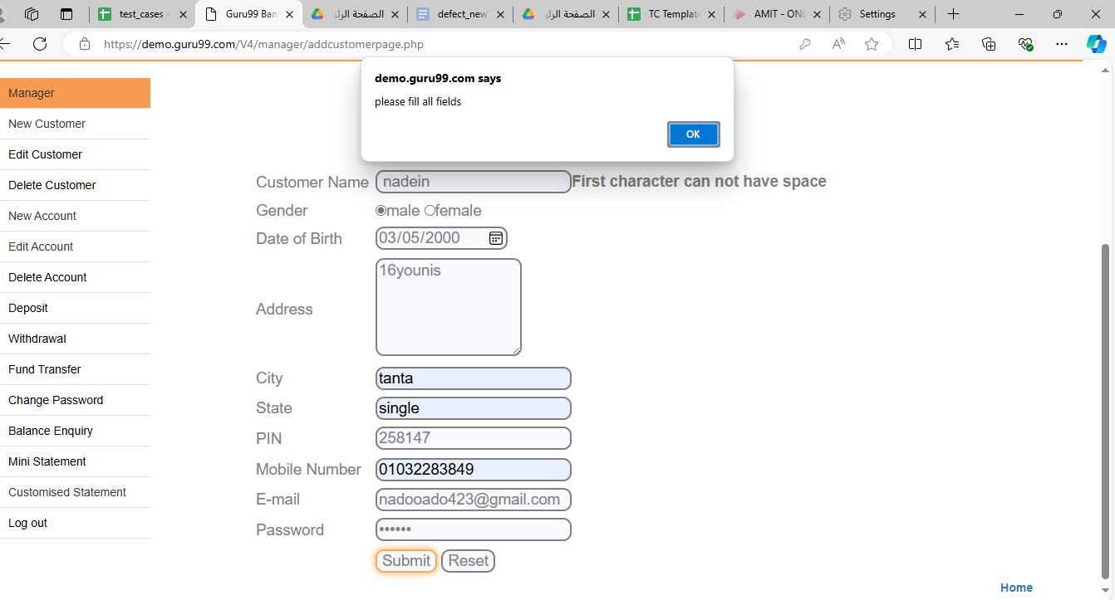 | New | high | high | Developer
REQ_02 | TS_02 (NEW CUSTOMER_Name) | EC_04 | BUG_customerName_003 | "Please Fill all fields" Error message is displayed when manager enters data click on submit button | 1.Click on "New Customer" tab 2.enter invalid customer name 3.select Gender type 4.select Date of Birth 5.enter valid Adreess 6.enter valid city 7.enter valid State 8.enter valid PIN | 1.Customer Name :nadein@@$ 2.Gender : male 3.Date of Birth : 03/05/2000 4.Address: 16younis 5.city: tanta 6.state :single 7.pin:123456 8.telephone number:01032283849 | New customer is not added , and error message "Special characters are not allowed is displayed | "Please Fill all fields" Error message is displayed | 1. Edge Browser version 127 2. OS : Windows |  | New | high | high | Developer
REQ_02 | TS_02 (NEW CUSTOMER_Name) | EC_05 | BUG_customerName_004 | "Please Fill all fields" Error message is displayed when manager enters data click on submit button | 1.Click on "New Customer" tab 2.enter invalid customer name 3.select Gender type 4.select Date of Birth 5.enter valid Adreess 6.enter valid city 7.enter valid State 8.enter valid PIN | 1.Customer Name :nadein123mohamed 2.Gender : male 3.Date of Birth : 03/05/2000 4.Address: 16younis 5.city: tanta 6.state :single 7.pin:123456 8.telephone number:01032283849 | New customer is not added , and error message Numbers are not allowed" is displayed | "Please Fill all fields" Error message is displayed | 1. Edge Browser version 127 2. OS : Windows |  | New | high | high | Developer
REQ_02 | TS_03 (NEW CUSTOMER_Adress) | EC_06 | BUG_CustomerAdress_005 | "Please Fill all fields" Error message is displayed when manager enters data click on submit button | 1.Click on "New Customer" tab 2.enter valid customer name 3.select Gender type 4.select Date of Birth 5.enter invalid Adreess 6.enter valid city 7.enter valid State 8.enter valid PIN | 1.Customer Name :nana mohamed 2.Gender : male 3.Date of Birth : 02/45/2000 4.city: tanta 5.state :single 6.pin:123456 7.telephone number:01032283849 | New customer is not added , and error message"Address Field must not be blank" is displayed | "Please Fill all fields" Error message is displayed | 1. Edge Browser version 127 2. OS : Windows | 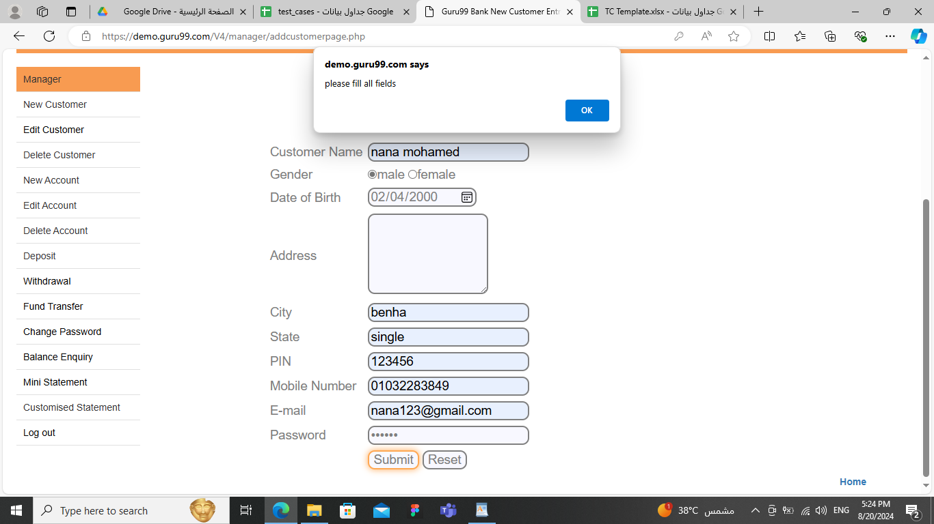 | New | high | high | Developer
REQ_02 | TS_03 (NEW CUSTOMER_Adress) | EC_07 | BUG_CustomerAdress_006 | "Please Fill all fields" Error message is displayed when manager leaves space with First character customer adress field , enters data and click on submit button | 1.Click on "New Customer" tab 2.enter valid customer name 3.select Gender type 4.select Date of Birth 5.enter invalid Adreess 6.enter valid city 7.enter valid State 8.enter valid PIN | 1.Customer Name :nana mohamed 2.Gender : male 3.Date of Birth : 02/04/2000 4.Address: eldoky 5.city: benha 6.state :single 7.pin:123456 8.telephone number:01032283849 | New customer is not added , and error message"First character can not have space " is displayed | "Please Fill all fields" Error message is displayed | 1. Edge Browser version 127 2. OS : Windows | 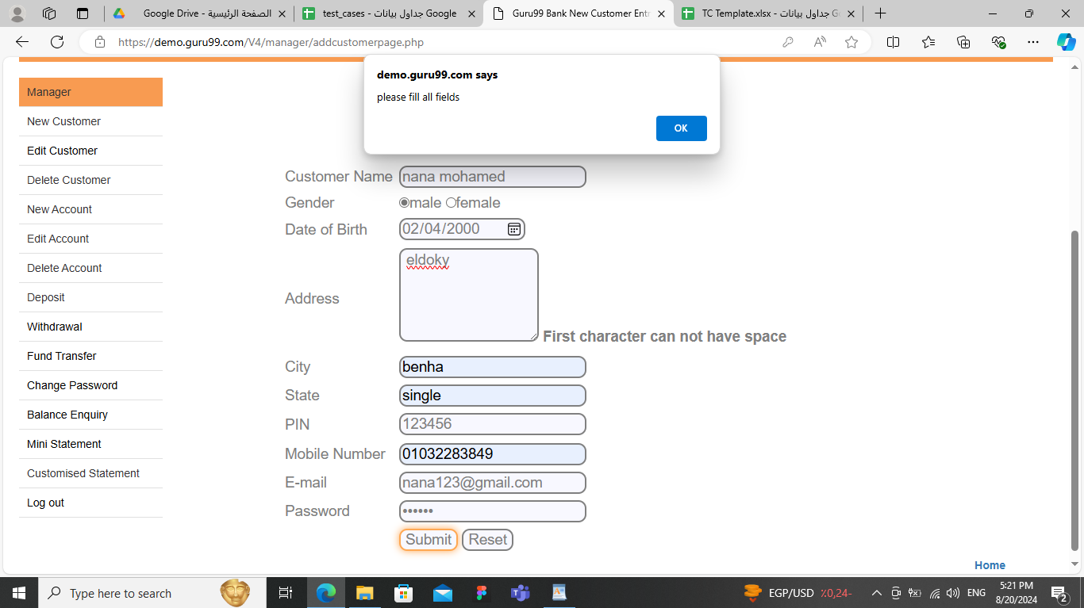 | New | high | high | Developer
REQ_02 | TS_03 (NEW CUSTOMER_Adress) | EC_08 | BUG_CustomerAdress_007 | "Please Fill all fields" Error message is displayed when manager enters Special characters customer adress field , enters other data and click on submit button | 1.Click on "New Customer" tab 2.enter valid customer name 3.select Gender type 4.select Date of Birth 5.enter invalid Adreess 6.enter valid city 7.enter valid State 8.enter valid PIN | 1.Customer Name :nardein 2.Gender : male 3.Date of Birth : 02/04/2000 4.Address:tanta@$ 5.city: benha 6.state :single 7.pin:123457 8.telephone number:01032283849 | New customer is not added , and error message"Special characters are not allowed" " is displayed | "Please Fill all fields" Error message is displayed | 1. Edge Browser version 127 2. OS : Windows | 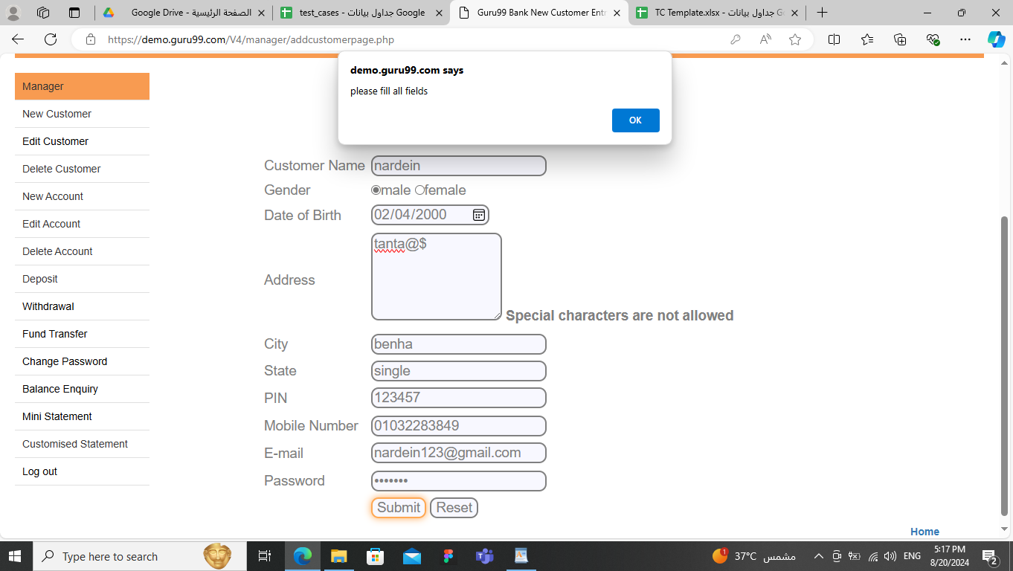 | New | high | high | Developer
REQ_03 | TS_04 (NEW CUSTOMER_City) | EC_09 | BUG_customerCity_008 | "Please Fill all fields" Error message is displayed when manager leaves city field empty ,enters other data click on submit button | 1.Click on "New Customer" tab 2.enter valid customer name 3.select Gender type 4.select Date of Birth 5.enter valid Adreess 6.enter invalid city 7.enter valid State 8.enter valid PIN | 1.Customer Name :nardein 2.Gender : male 3.Date of Birth : 02/04/2000 4.Address:tanta 5.city: 6.state :single 7.pin:123457 8.telephone number:01032283849 | New customer is not added , and error message " City Field must not be blank" is displayed | "Please Fill all fields" Error message is displayed | 1. Edge Browser version 127 2. OS : Windows | 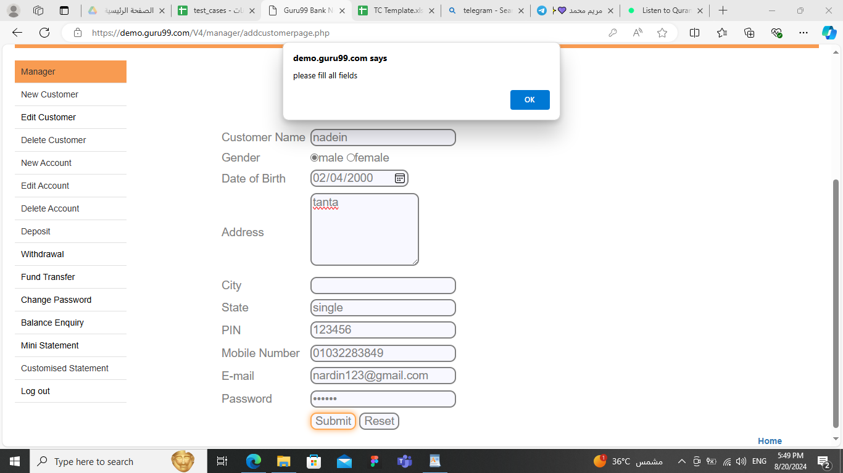 | New | high | high | Developer
REQ_03 | TS_04 (NEW CUSTOMER_City) | EC_10 | BUG_customerCity_009 | "Please Fill all fields" Error message is displayed when manager enters data click on submit button | 1.Click on "New Customer" tab 2.enter valid customer name 3.select Gender type 4.select Date of Birth 5.enter valid Adreess 6.enter invalid city 7.enter valid State 8.enter valid PIN | 1.Customer Name :nardein 2.Gender : male 3.Date of Birth : 02/04/2000 4.Address:14saaid 5.city: mansora 6.state :single 7.pin:123789 8.telephone number:01032283849 | New customer is not added , and error message " City First character cannot have space" is displayed | "Please Fill all fields" Error message is displayed | 1. Edge Browser version 127 2. OS : Windows | 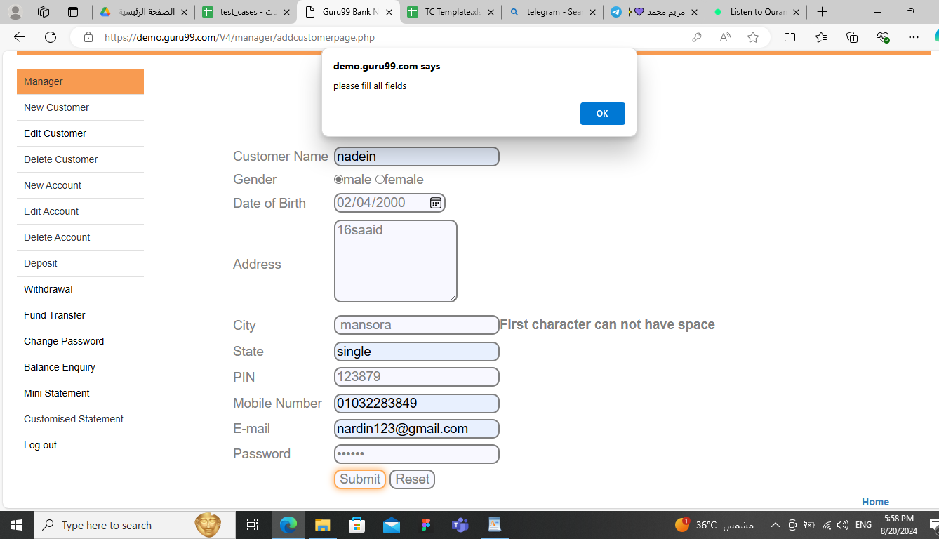 | New | high | high | Developer
REQ_03 | TS_04 (NEW CUSTOMER_City) | EC_11 | BUG_customerCity_010 | "Please Fill all fields" Error message is displayed when manager enters data click on submit button | 1.Click on "New Customer" tab 2.enter valid customer name 3.select Gender type 4.select Date of Birth 5.enter valid Adreess 6.enter invalid city 7.enter valid State 8.enter valid PIN | 1.Customer Name :nardein 2.Gender : male 3.Date of Birth : 02/04/2000 4.Address:14saaid 5.city:mansora% 6.state :single 7.pin:123789 8.telephone number:01032283849 | New customer is not added , and error message "Special character are not allowed" is displayed | "Please Fill all fields" Error message is displayed | 1. Edge Browser version 127 2. OS : Windows | 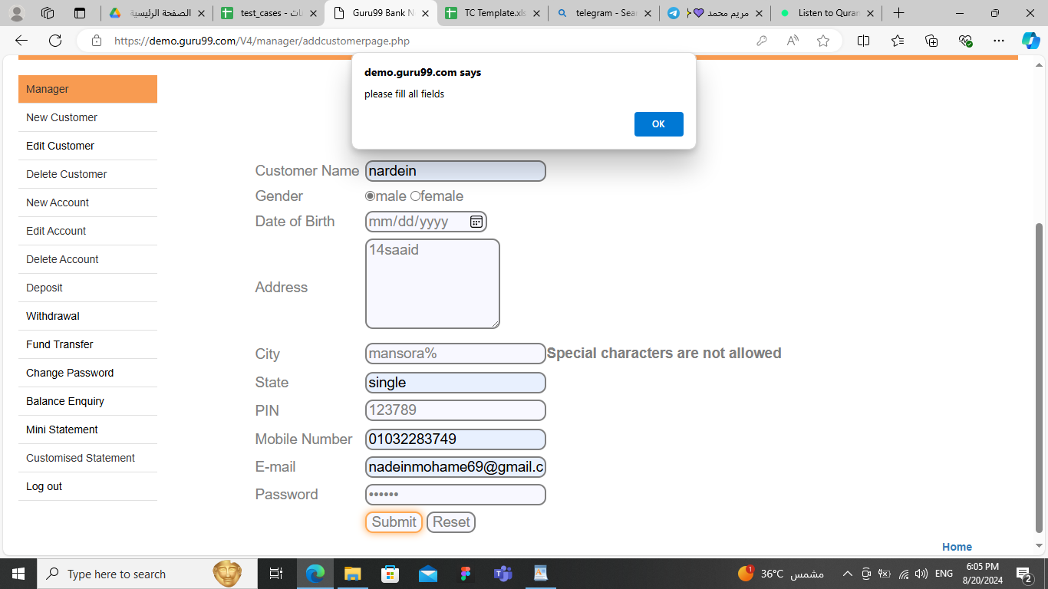 | New | high | high | Developer
REQ_03 | TS_04 (NEW CUSTOMER_City) | EC_12 | BUG_customerCity_011 | "Please Fill all fields" Error message is displayed when manager enters data click on submit button | 1.Click on "New Customer" tab 2.enter valid customer name 3.select Gender type 4.select Date of Birth 5.enter valid Adreess 6.enter invalid city 7.enter valid State 8.enter valid PIN | 1.Customer Name :nardein 2.Gender : male 3.Date of Birth : 02/04/2000 4.Address:14saaid 5.city:mansora10 6.state :single 7.pin:123789 8.telephone number:01032283849 | New customer is not added , and error message Numbers are not allowed" is displayed | "Please Fill all fields" Error message is displayed | 1. Edge Browser version 127 2. OS : Windows | 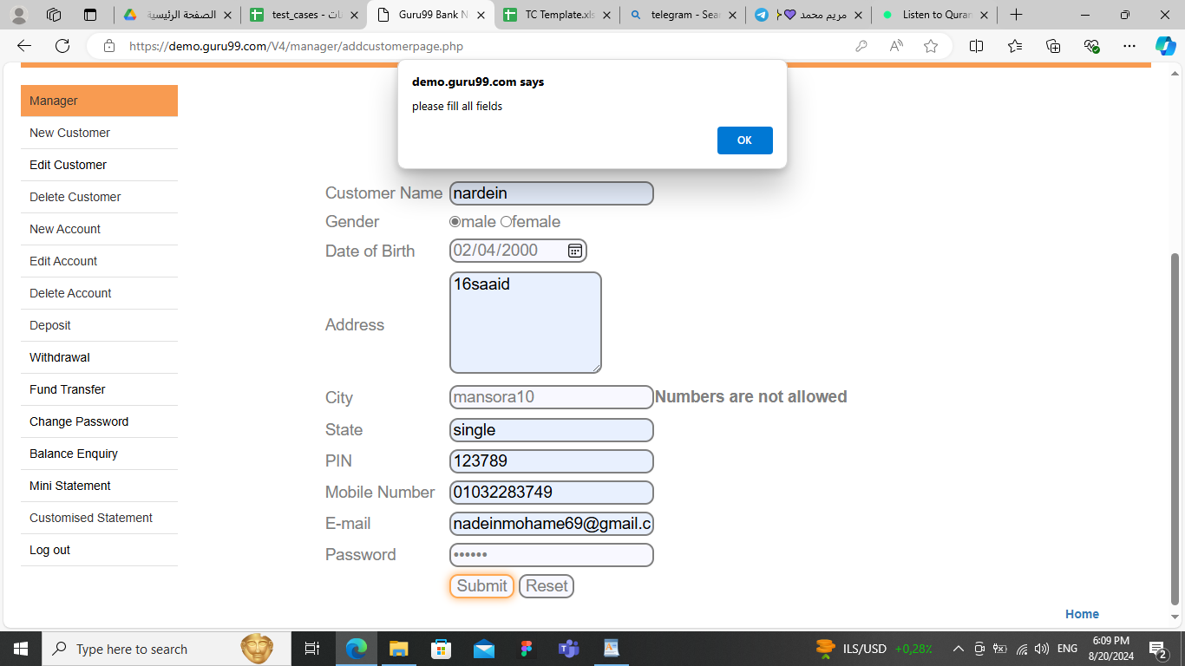 | New | high | high | Developer
REQ_05 | TS_06 (Balance Enquiry) | GC_03 | BUG_Balance Enquiry_012 | ERROR PAGE APPEAR"cannot currently handle this page" | 1. enter on "Balance Enquiry" tab 2.Enters valid Account_NO | 1.Acount_NO:137067 | Balance Enquiry of account should be appear | Balance Enquiry did not appear or not successful AND ERROR PAGE APPEAR"cannot currently handle this page" | 1. Edge Browser version 127 2. OS : Windows | 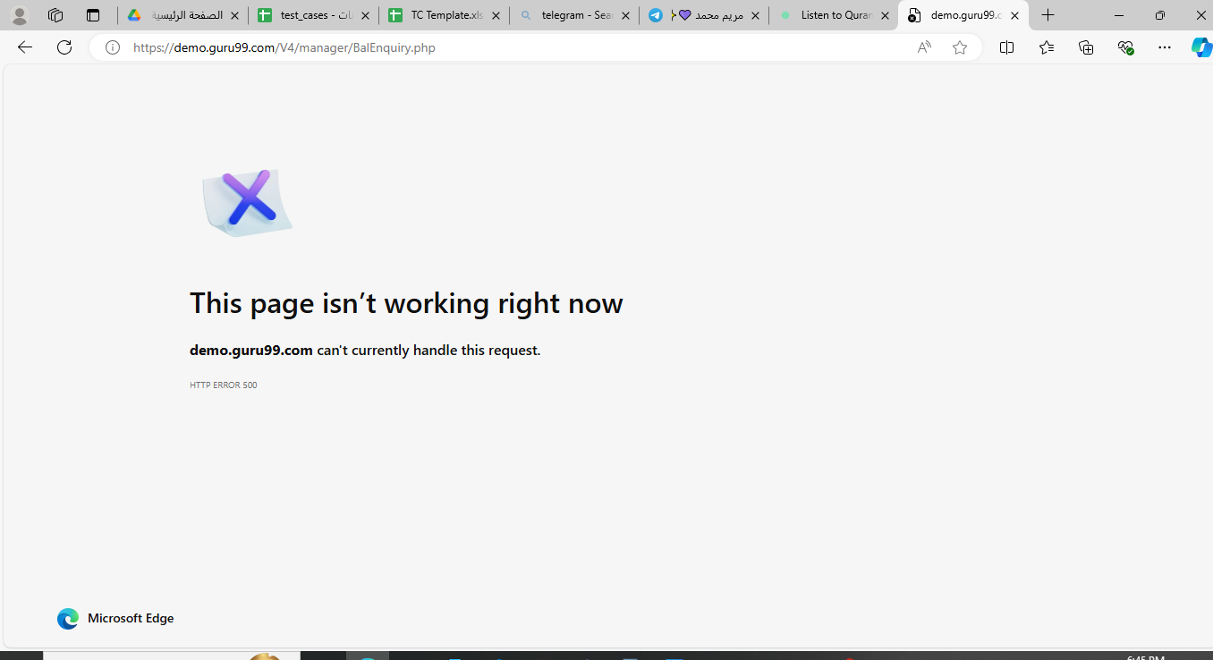 | New | LOW | LOW | Developer
REQ_06 | TS_07 (Deposite) | GC_04 | BUG_Deposite_013 | Deposite should be added succesfuly when manager enter valid Account No,Amount ,DESCRIPTION ,clicks on submit button and ERROR PAGE APPEAR"cannot currently handle this page" | 1.click on "Deposite tabe " 2.Enters valid Account_NO 3.enter valid Amount 4. enter valid Description | 1.Acount_NO:137067 2.Amount:5000 3.Description: for salma | Deposite should be added succesfuly | Depisite did not added successful AND ERROR PAGE APPEAR | 1. chrome Browser version 127 2. OS : Windows | 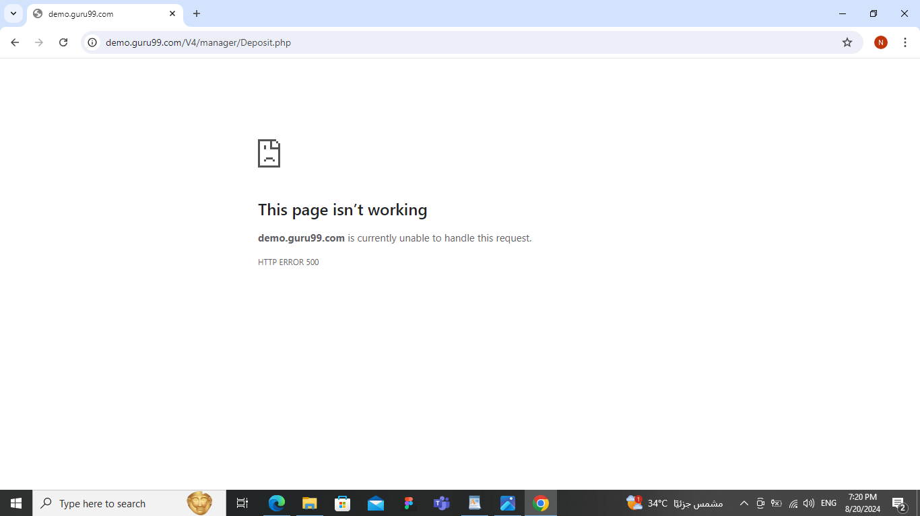 | New | Medium | Medium | Developer

